grain size analysis
before the flood (2010)_sand
after the flood (2010)_sand
mean_sand
percent passing(%)
particle size (mm)
before the flood (2010)_gravel
after the flood (2010)_gravel
mean_gravel
percent passing(%)
particle size (mm)
* grain-size distribution of bed material (2010) _ Grab sampler(60L)
particle size time | D35(mm) | D50(mm) | D65(mm) | D90(mm) | 균등계수 Coefficient of uniformity (Cu) | 곡률계수 Coefficient of curvature (Cg)
평군 (mean) | 28.62 | 37.85 | 49.80 | 69.91 | 4.40 | 1.46

* grain-size distribution of bed material (2013) _ grid sampling(Hack_1947)

* particle size distribution of suspended sediment (2013)_Laser Diffraction |  |  |  |  |  |  |  |  | * grain-size distribution of bed material (2013)_Sieve

No | particle size distribution of suspended sediment (%) |  |  |  |  |  |  |  | particle size time | D10 | D30 | D35 | D60 | D65 | 균등계수 Coefficient of uniformity (Cu) | 곡률계수 Coefficient of curvature (Cg)
 | range (mm) |  |  |  |  |  |  |  | 홍수전 (before the flood) | 0.45 | 0.88 | 0.98 | 4.87 | 6.11 | 10.83 | 0.35
 | 0.0020~ | 0.063~ | 0.126~ | 0.26~ | 0.51~ | 1.1~ | 2.1~ | 4.1~ | 홍수후(after the flood ) | 0.59 | 1.18 | 1.65 | 6.25 | 7.49 | 10.58 | 0.38
 | 0.062 | 0.125 | 0.25 | 0.5 | 1 | 2 | 4 | 8 | 평균 (mean) | 0.52 | 1.03 | 1.32 | 5.56 | 6.80 | 10.71 | 0.37
1 | 80.93 | 10.01 | 4.25 | 1.26 | 0.98 | 0.31 | 0.09 | 0 | particle size time | D5 | D10 | D15 | D20 | D25 | D30 | D35 | D40 | D45 | D50 | D55 | D60 | D65 | D70 | D75 | D80 | D85 | D90 | D95 | D100
2 | 79.19 | 11.08 | 4.66 | 1.99 | 0.97 | 0.01 | 0 | 0 | 홍수전 (before the flood) | 0.27 | 0.45 | 0.57 | 0.68 | 0.77 | 0.88 | 0.98 | 1.47 | 2.00 | 2.87 | 3.67 | 4.87 | 6.11 | 7.49 | 8.87 | 10.33 | 11.64 | 12.95 | 14.40 | 16.00
3 | 79.53 | 11.02 | 4.94 | 1.7 | 0.27 | 0.17 | 0.06 | 0 | 홍수후 (after the flood ) | 0.45 | 0.59 | 0.70 | 0.82 | 0.92 | 1.18 | 1.65 | 2.15 | 2.98 | 3.82 | 4.95 | 6.25 | 7.49 | 8.73 | 9.95 | 11.08 | 12.36 | 13.38 | 14.55 | 16.00
4 | 81.46 | 11.16 | 3.62 | 0.25 | 0.05 | 0.03 | 0.01 | 0 | 평균 (mean) | 0.36 | 0.52 | 0.64 | 0.75 | 0.85 | 1.03 | 1.32 | 1.81 | 2.49 | 3.35 | 4.31 | 5.56 | 6.80 | 8.11 | 9.41 | 10.71 | 12.00 | 13.16 | 14.47 | 16.00
5 | 83.87 | 11.14 | 1.97 | 0.1 | 0 | 0 | 0 | 0
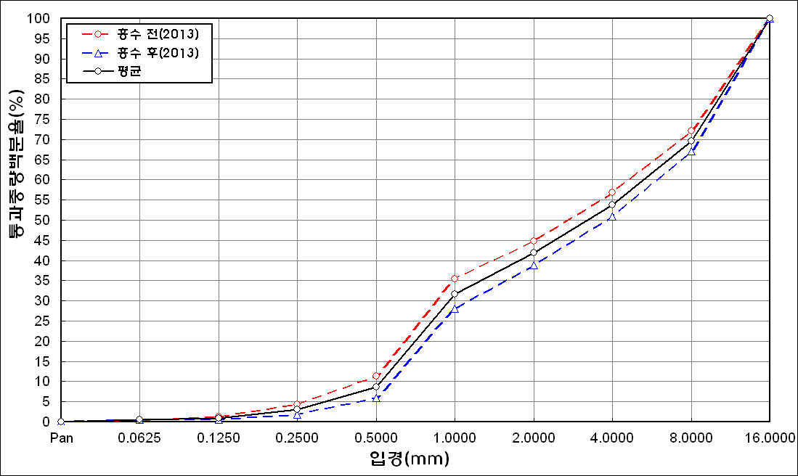
before the flood (2013)
after the flood (2013)
mean
percent passing(%)
particle size (mm)
6 | 83.64 | 9.96 | 3.02 | 0.14 | 0.09 | 0.03 | 0 | 0
7 | 81.15 | 11.03 | 3.24 | 0.52 | 0.42 | 0.67 | 0.29 | 0
8 | 67.24 | 8.67 | 2.48 | 0.32 | 2.37 | 11.41 | 5.74 | 0
9 | 78.37 | 9.61 | 1.07 | 0.01 | 1.62 | 5.15 | 2.08 | 0
10 | 85.29 | 10.86 | 1.62 | 0.09 | 0 | 0 | 0 | 0
11 | 83.2 | 11.18 | 3.13 | 0.28 | 0.08 | 0 | 0 | 0
12 | 85.29 | 8.56 | 2.61 | 0.36 | 0.19 | 0.05 | 0.01 | 0
13 | 83.04 | 11.51 | 2.18 | 0.29 | 0.06 | 0.29 | 0.11 | 0
14 | 84.84 | 12.34 | 0.86 | 0 | 0 | 0 | 0 | 0
15 | 84.36 | 12.14 | 1.23 | 0.01 | 0 | 0 | 0 | 0
16 | 80.9 | 15.1 | 2.44 | 0.31 | 0 | 0 | 0 | 0
mean | 81.39 | 10.96 | 2.71 | 0.48 | 0.44 | 1.13 | 0.52 | 0

* grain-size distribution of bed material (2014) _ grid sampling(Hack_1947)

* particle size distribution of suspended sediment (2014)_Laser Diffraction
 |  |  |  |  |  |  |  |  | * grain-size distribution of bed material (2014)_Sieve
No | particle size distribution of suspended sediment (%)
 | range (mm) |  |  |  |  |  |  |  | particle size time | D10 | D30 | D35 | D60 | D65 | 균등계수 Coefficient of uniformity (Cu) | 곡률계수 Coefficient of curvature (Cg)
 | 0.0020~ | 0.063~ | 0.126~ | 0.26~ | 0.51~ | 1.1~ | 2.1~ | 4.1~ | 홍수전 (before the flood) | 16.00 | 98.00 | 102.80 | 132.50 | 140.00 | 8.28 | 4.53
 | 0.062 | 0.125 | 0.25 | 0.5 | 1 | 2 | 4 | 8 | 홍수후(after the flood ) | 103.39 | 150.17 | 162.58 | 184.39 | 192.08 | 1.78 | 1.18
1 | 80.93 | 10.01 | 4.25 | 1.26 | 0.98 | 0.31 | 0.09 | 0 | 평균 (mean) | 59.70 | 124.09 | 132.69 | 158.45 | 166.04 | 23.65 | 1.63
2 | 79.19 | 11.08 | 4.66 | 1.99 | 0.97 | 0.01 | 0 | 0 | particle size time | D5 | D10 | D15 | D20 | D25 | D30 | D35 | D40 | D45 | D50 | D55 | D60 | D65 | D70 | D75 | D80 | D85 | D90 | D95 | D100
3 | 79.53 | 11.02 | 4.94 | 1.7 | 0.27 | 0.17 | 0.06 | 0 | 홍수전 (before the flood) | 1.18 | 16.00 | 31.50 | 63.00 | 94.80 | 98.00 | 102.80 | 106.00 | 113.60 | 121.20 | 125.00 | 132.50 | 140.00 | 150.00 | 156.00 | 162.00 | 172.00 | 186.00 | 192.00 | 200.00
4 | 81.46 | 11.16 | 3.62 | 0.25 | 0.05 | 0.03 | 0.01 | 0 | 홍수후 (after the flood ) | 98.69 | 103.39 | 113.84 | 124.58 | 135.59 | 150.17 | 162.58 | 166.88 | 170.32 | 173.76 | 178.27 | 184.39 | 192.08 | 198.90 | - | - | - | - | - | -
5 | 83.87 | 11.14 | 1.97 | 0.1 | 0 | 0 | 0 | 0 | 평균 (mean) | 49.94 | 59.70 | 72.67 | 93.79 | 115.20 | 124.09 | 132.69 | 136.44 | 141.96 | 147.48 | 151.64 | 158.45 | 166.04 | 174.45 | 156.00 | 162.00 | 172.00 | 186.00 | 192.00 | 200.00
before the flood (2014)
after the flood (2014)
mean
percent passing(%)
particle size (mm)
6 | 83.64 | 9.96 | 3.02 | 0.14 | 0.09 | 0.03 | 0 | 0
7 | 81.15 | 11.03 | 3.24 | 0.52 | 0.42 | 0.67 | 0.29 | 0
8 | 67.24 | 8.67 | 2.48 | 0.32 | 2.37 | 11.41 | 5.74 | 0
9 | 78.37 | 9.61 | 1.07 | 0.01 | 1.62 | 5.15 | 2.08 | 0
10 | 85.29 | 10.86 | 1.62 | 0.09 | 0 | 0 | 0 | 0
11 | 83.2 | 11.18 | 3.13 | 0.28 | 0.08 | 0 | 0 | 0
12 | 85.29 | 8.56 | 2.61 | 0.36 | 0.19 | 0.05 | 0.01 | 0
13 | 83.04 | 11.51 | 2.18 | 0.29 | 0.06 | 0.29 | 0.11 | 0
14 | 84.84 | 12.34 | 0.86 | 0 | 0 | 0 | 0 | 0
15 | 84.36 | 12.14 | 1.23 | 0.01 | 0 | 0 | 0 | 0
16 | 80.9 | 15.1 | 2.44 | 0.31 | 0 | 0 | 0 | 0
mean | 81.39 | 10.96 | 2.71 | 0.48 | 0.44 | 1.13 | 0.52 | 0

